DID Combined
 |  | CVR |  | C520AHU |  | C520TCU

Complete Date | DID | Origin | Type | Size(Byte) | Name | 0x01 | 0x02 | 0x03 | 0x40 | 结论 | Comment
 | 0x0202 | AHU | UN | 1 | Number of Trouble Codes Set due to Diagnostic Test | R |  | R |  | Y
 | 0x1505 | AHU | UN | 2 | Vehicle Speed - High Resolution | R |  | R |  | Y | 从CAN读取 | 0x202 | EngVehicleSpThrottle2_HS3 | Veh_V_ActlEng
 | 0x411F | AHU | SED | 1 | Key Position | R |  | R |  | Y | 从CAN读取 | 0x3B2 | BodyInfo_HS3 | Ignition_Status
 | 0x419E | Sync | SED | 1 | Embedded Consumer Application Download Status | R |  | R | R | Y | OTA包的安装状态，具体的值参考DS-1U5T-14G371-CA
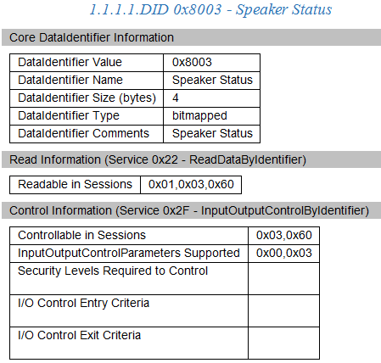
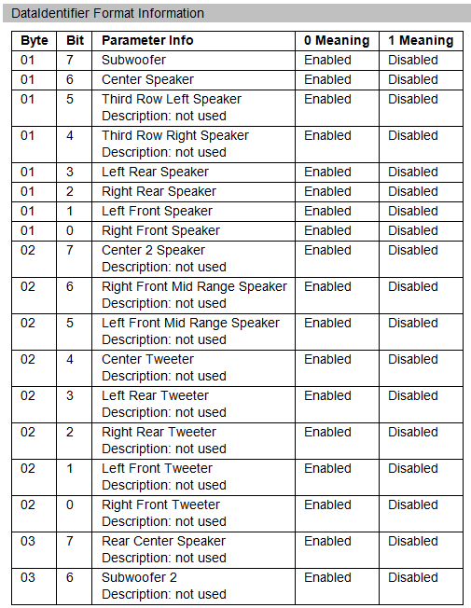
 | 0x61A1 | AHU | UN | 1 | Channel Frequency | R |  | RC |  | Y | 现在/last source FM的频率
 | 0x7215 | AHU | SED | 1 | ECU Status | R |  | RC |  | Y | 参考AHU Part2
 | 0x8003 | AHU | BM | 4 | Speaker Status | R |  | RC |  | Y
 | 0x8004 | Sync | ASC | 128 | Supported Bluetooth Profiles | R |  | R | R | Y | YFVE自定义格式
 | 0x800B | AHU | PKT | 72 | FM Text | R |  | R |  | N
 | 0x8020 | AHU | PKT | 19 | Traffic Message Channel Information | R |  | R |  | N
 | 0x8022 | AHU | SED | 1 | Speaker Test Tone | R |  | RC |  | Y | 参考CVR定义
 | 0x8023 | Sync | ASC | 128 | Active Bluetooth Profiles | R |  | R | R | Y | 当前Active Bluetooth Profiles，YFVE自定义格式
 | 0x8024 | Sync | SED | 1 | Bluetooth Status | R |  | R | R | Y | 参考DS-1U5T-14G371-CA
 | 0x802F | AHU | PKT | 22 | Digital Tuner Parameter Status | R |  | R |  | N
 | 0x8032 | Sync | BM | 4 | Accessory Gateway Feature Status | R |  | R | R | N
 | 0x8033 | Sync | ASC | 24 | Embedded Consumer Operating System Part Number | R |  | R | R | Y | Baidu License 目前和F121保持一致
 | 0x8041 | AHU | UN | 1 | Signal Strength Tuner 2 | R |  | R |  | N
 | 0x8044 | TCU | UN | 1 | Cell Phone Signal Strength | R |  | R |  | Y | 内部4G模块信号强度
 | 0x8047 | Sync | UN | 1 | Bezel Diagnostics Status | R |  | RC | RC | Y | 内部4G模块信号强度
 | 0x8049 | AHU | SED | 1 | Audio Noise Cancellation Calibration Status | R |  | R |  | Y | ANC标定状态，参考AHU Part2
 | 0x804A | Sync | SED | 1 | APIM Internal Fault | R |  | R | R | Y
 | 0x804B | Sync | BM | 4 | ECU CCPU Fault | R |  | R | R | Y
 | 0x804D | AHU | SED | 1 | Audio Source Selection | R |  | RW |  | Y | 参考AHU Part2
 | 0x804F | Sync | SED | 1 | Bluetooth Streaming Status | R |  | R | R | N
 | 0x8054 | AHU | PKT | 6 | Digital Tuner Received Signal Quality | R |  | R |  | N
 | 0x8055 | AHU | UN | 2 | Automobile Audio Bus (A2B) Master Error Counter | R |  | R |  | Y | 参考AHU Part2
 | 0x8056 | AHU | UN | 2 | Automobile Audio Bus (A2B) Node 1 Error Counter | R |  | R |  | Y | 参考AHU Part2
 | 0x8060 | Sync | PKT | 384 | Embedded Consumer Applications Part Numbers 1 | R |  | R | R | N | 每24Byte写一个licence对应的PN，（ASCII，未写满用0x00填充？） Baidu PN写在第1个。ESE第2个，ANC第3个，其他PN跟在后面无顺序要求
 | 0x8214 | AHU | PKT | 2 | Satellite Radio Signal Source and Strength | R |  | R |  | N
 | 0x8304 | AHU | UN | 1 | Radio Frequency Field Strength | R |  | R |  | Y | 收音机信号强度，参考AHU Part2
 | 0x8306 | AHU | UN | 1 | Radio Station Multipath Interference | R |  | R |  | N
 | 0x8307 | AHU | UN | 1 | Adjacent Radio Station Interference Noise | R |  | R |  | N
 | 0x8321 | AHU | UN | 2 | Antenna Current 1 | R |  | R |  | Y | 天线1电流
 | 0x8322 | AHU | UN | 2 | Antenna Current 2 | R |  | R |  | Y | 天线2电流（仅双tuner项目）
 | 0x833A | AHU | UN | 3 | Tuned Radio Station Frequency | R |  | RC |  | N
 | 0x833B | AHU | UN | 1 | Audio Volume Level | R |  | RC |  | Y | 获取娱乐音源（tuner、USB、BT）的音量
 | 0x833C | Sync | BM | 4 | Steering Column Audio Switches | R |  | R | R | N
 | 0x8344 | AHU | BM | 4 | Infotainment System Status | R |  | R |  | N
 | 0xC006 | AHU | UN | 2 | VIN Missing counter | R |  | R |  | Y | VIN丢失的计数（一个Sleep周期内）
 | 0xC007 | AHU | UN | 2 | VIN Invalid Counter | R |  | R |  | N
 | 0xC008 | AHU | PKT | 241 | VIN History List | R |  | R |  | Y | VIN历史记录，每24Byte一个记录，旧的放前面
 | 0xC150 | AHU | BM | 4 | All Doors Lock and Ajar Input Signal Status | R |  | R |  | N
 | 0xD01D | TCU | ASC | 40 | Access Point Name (APN) | R |  | RW* |  | Y
 | 0xD01E | TCU | ASC | 40 | Provisioning Uniform Resource Locator (URL) | R |  | RW* |  | Y
 | 0xD021 | TCU | SED | 1 | Authorization State: Ford cloud | R |  | R |  | Y
 | TBD | TCU | SED | 1 | Authorization State: Baidu cloud | R |  | R |  | Y | Need to apply new DID from GMRDB
 | 0xD111 | AHU | UN | 1 | ECU Power Supply Voltage | R |  | R | R | Y | 输入电压
 | 0xD100 | AHU | SED | 1 | Active Diagnostic Session | R | R | R |  | Y | 当前Active Diagnostic Session
 | 0xD700 | AHU | PKT | 4 | Critical Software Parameter Monitoring #1 | R |  | RW | RW | Y | 输入电压
 | 0xD701 | AHU | PKT | 4 | Critical Software Parameter Monitoring #2 | R |  | RW | RW | Y | 输入电压
 | 0xD704 | Sync | HEX | 4 | ECU Checksum 1 | R |  | R | R | N
 | 0xD705 | Sync | HEX | 4 | ECU Checksum 2 | R |  | R | R | N
 | 0xEE00 | AHU | PKT | 3 | ANC/ESE Error Status | R |  | R |  | Y | ESE Error Status follow ESE SPSS
 | 0xEE01 | AHU | PKT | 6 | ESE Last Received Data | R |  | R |  | Y | follow ESE SPSS
 | 0xEE02 | AHU | PKT | 53 | ANC and/or ESE Profile Data | R |  | RW* |  | Y | ESE Profile Data follow ESE SPSS
 | 0xEE03 | AHU | SED | 1 | ESE Activation Status | R |  | RW* |  | Y | follow ESE SPSS
 | 0xEE04 | AHU | PKT | 53 | Audio Personalization Profile Data | R |  | RW |  | N | ?
 | 0xEE10 | AHU | UN | 1 | Speaker Walkaround Volume | R |  | RW |  | Y | 配置Speaker Walkaround Volume
 | 0xEE20 | AHU | UN | 1 | EE20 Averaged Signal Strength Measured in AM/FM/FM2 Antenna Test | R |  | R |  | Y | 用于收音机收台测试
 | 0xEE21 | AHU | UN | 1 | AM Seek/Stop Sensitivity | R |  | RC |  | Y
 | 0xEE22 | AHU | UN | 1 | FM Seek/Stop Sensitivity | R |  | RC |  | Y
 | 0xEE23 | AHU | UN | 1 | FM2 Seek/Stop Sensitivity | R |  | RC |  | Y
 | 0xF10A | AHU | ASC | 24 | ECU Cal-Config Part Number | R |  | R |  | Y | Acoustic（EQ） Tuning PN
 | 0xF110 | AHU | ASC | 24 | Subsystem Specific Diagnostic Specification Part Number | R |  | R |  | Y | Part II PN
 | 0xF111 | AHU | ASC | 24 | ECU Core Assembly Number | R | R | R |  | Y | HW PN
 | 0xF113 | AHU | ASC | 24 | ECU Delivery Assembly Number | R | R | R |  | Y | Assemly PN
 | 0xD03B | AHU | ASC | 24 | ECU Software #2 Part Number | R |  | R |  | Y | OTA包软件PN，OTA包下载之后写入此DID
 | 0xF121 | AHU | ASC | 24 | ECU Software #3 Part Number | R |  | R |  | Y | CCPU软件PN
 | 0xF123 | AHU | ASC | 24 | ECU Software #5 Part Number | R |  | R |  | N
 | 0xF124 | AHU | ASC | 24 | ECU Calibration Data #1 Number | R |  | R |  | Y | IVI calibration at supplier，暂时预留
 | 0xF143 | AHU | ASC | 16 | Private Sub Node #3 Serial Number | R |  | R |  | N
 | 0xF15F | AHU | PKT | 10 | NOS Generation Tool Version Number | R |  | R |  | Y
 | 0xF162 | AHU | SED | 1 | Software Download Specification Version |  | R |  |  | Y | 固定为“0x06”
 | 0xF163 | AHU | SED | 1 | Diagnostic Specification Version | R |  | R |  | Y | 固定为“0x04”
 | 0xF166 | AHU | PKT | 4 | NOS Message Database #1 Version Number | R |  | R |  | Y | HS3 dbc 版本号 dbc已包含
 | 0xF167 | Sync | PKT | 4 | NOS Message Database #2 Version Number | R |  | R | R | Y | HS4 dbc 版本号 dbc已包含
 | 0xF16C | AHU | ASC | 24 | ECU Cal-Config #2 Part Number | R |  | R |  | Y | Sound Enhancement (ESE) PN
 | 0xF16D | AHU | ASC | 24 | ECU Cal-Config #3 Part Number | R |  | R |  | Y | ANC Calibration PN
 | 0xF16B | AHU | ASC | 24 | ECU Cal-Config #4 Part Number | R |  | R |  | Y | Illumination PN
 | 0xF17C | AHU | PKT | 11 | NOS Bootloader Generation Tool Version Number |  | R |  |  | Y | ？
 | 0xF180 | AHU | PKT | 25 | Boot Software Identification | R | R | R |  | Y | Primary Bootloader PN
 | 0xF188 | AHU | ASC | 24 | Vehicle Manufacturer ECU Software Number | R |  | R |  | Y | VMCU软件PN
 | 0xF18C | AHU | ASC | 16 | ECU Serial Number | R | R | R |  | Y | 由重庆工厂定义格式
 | 0xF190 | AHU | ASC | 24 | Vehicle Identification Number | R |  | R |  | Y
 | 0xF199 | AHU | ASC | 24 | Programming Date | R |  | R |  | Y | ？
 | 0xF1CD | Sync | PKT | 4 | NOS Message Database #3 Version Number | R |  | R | R | N
 | 0xF1D0 | Sync | HEX | 6 | ECU MAC Address 1 | R |  | R | RW | Y | BT MAC 地址
 | 0xF1D1 | Sync | HEX | 6 | ECU MAC Address 2 | R |  | R | RW | Y | Wifi MAC 地址
 | 0xF1E1 | Sync | HEX | 6 | ECU MAC Address 3 | R |  | R | RW | Y | Ethernet MAC 地址
 | 0xF40C | AHU | UN | 2 | Engine RPM | R |  | R |  | Y | 从CAN读取
 | 0xF40D | Sync | UN | 1 | Vehicle Speed Sensor | R |  | R | R | N
 | 0xF411 | AHU | UN | 1 | Absolute Throttle Position | R |  | R |  | Y | 从CAN读取
 | 0xFD01 | AHU | SED | 1 | Supplier DID FD01 | RW |  | RW |  | N
 | 0xFD02 | AHU | SED | 1 | Supplier DID FD02 | RW |  | RW |  | N
 | 0xFD03 | AHU | HEX | 1 | Normal Speaker Walkaround Volume | R |  | RW |  | Y | (2E – Permanent Value is required – default is 25% full volume) – Range 0 to 100.000000065, Units in Percent Volume, Size 1 Byte, Resolution 0.392156863
 | 0xFD20 | AHU | HEX | 1 | Averaged Signal Strength Measured in AM/FM Antenna Test | R |  | RW |  | Y | Range 0 to 255, Units dBuV, Size 1 Byte, Resolution 1 – Value is 0dBuV if test has never been ran. Value is stored until battery has been pulled or test overwrites with new value.
 | 0xFD04 | AHU | PKT | 29 | Supplier DID FD04 | R |  | R |  | N
 | 0xFD0A | Sync | BM | 1 | Display Type | R |  | R | R | N
 | 0xFD0B | AHU | UN | 1 | FD0B HD Data Hysteresis Timer | R |  | RW |  | N
 | 0x41AE | TCU | BCD | 10 | SIM ICCID | R |  | R |  | Y
 | 0xFD1A | Sync | BM | 3 | Display Parameters | R |  | R | R | N | 用于display errors判定，置DTC
 | 0xFD51 | Sync | HEX | 2 | AM/FM Station | R |  | RC | RC | N
 | 0xFD52 | Sync | SED | 1 | Audio Source | R |  | RC | RC | N
 | 0xFD53 | Sync | HEX | 1 | Backlight PWM Level | R |  | RW | RW | Y | LCD 背光
 | 0xFD61 | Sync | SED | 1 | Sound Menu Reset | R |  | RC | RC | N
 | 0xFD01 | Sync | ASC | 10 | VMCU Software Version | R |  | R | R | Y | 内部版本号
 | 0xFD53 | Sync | HEX | 1 | Backlight PWM Level | R |  | RW | RW | N
 | 0xFDD7 | Sync | UN | 1 | CCP_Dimming_Lvl_Timer | R |  | R | RC* | Y | 用于亮度调节调试
 | 0xFDB8 | Sync | UN | 2 | CCP_Low_PWM_DisplayBL | R |  | R | RC* | Y | 用于亮度调节调试
 | 0xFDB9 | Sync | UN | 2 | CCP_High_PWM_DisplayBL | R |  | R | RC* | Y | 用于亮度调节调试
 | 0xFDBD | Sync | PKT | 216 | CCPU Weight Factor Display | R |  | R | RC* | Y | 用于亮度调节调试
 | 0xFDBA | Sync | HEX | 1 | CCP_Low_PWM_DisplayButtonBL | R |  | R | RC* | Y | 用于亮度调节调试
 | 0xFDBB | Sync | HEX | 1 | CCP_High_PWM_DisplayButtonBL | R |  | R | RC* | Y | 用于亮度调节调试
 | 0xFDBE | Sync | PKT | 144 | CCPU Weight Factor Backlight | R |  | R | RC* | Y | 用于亮度调节调试
 | 0xFDC0 | Sync | HEX | 100 | CCP_MoveDownTable | R |  | R | RC* | Y | 用于亮度调节调试
 | 0xFDBF | Sync | HEX | 100 | CCP_MoveUpTable | R |  | R | RC* | Y | 用于亮度调节调试
 | 0xFDD2 | Sync | UN | 1 | CCP_Threshold_to_Night | R |  | R | RC* | Y | 用于亮度调节调试
 | 0xFDD3 | Sync | UN | 1 | CCP_DayToNightTime | R |  | R | RC* | Y | 用于亮度调节调试
 | 0xFDD4 | Sync | UN | 1 | CCP_NightToDayTime | R |  | R | RC* | Y | 用于亮度调节调试
 | 0xFDBC | Sync | UN | 2 | CCP_TransitionTimeMS | R |  | R | RC* | Y | 用于亮度调节调试
 | 0xFDD0 | Sync | UN | 1 | CCP_TransTime_Amb_Down | R |  | R | RC* | Y | 用于亮度调节调试
 | 0xFDCF | Sync | UN | 1 | CCP_TransTime_Amb_Up | R |  | R | RC* | Y | 用于亮度调节调试
 | 0xFDD1 | Sync | UN | 1 | CCP_TransTime_OnOff | R |  | R | RC* | Y | 用于亮度调节调试
 | 0xFDCE | Sync | UN | 1 | CCP_TransTime_Usr | R |  | R | RC* | Y | 用于亮度调节调试
 | 0xFDB1 | Sync | HEX | 1 | VMCU_High_PWM_RotaryBL | R |  | R | RC* | Y | 用于亮度调节调试
 | 0xFDB0 | Sync | HEX | 1 | VMCU_Low_PWM_RotaryBL | R |  | R | RC* | Y | 用于亮度调节调试
 | 0xFDDF | Sync | PKT | 216 | CCPU Weight Factor Display SDM12L | R |  | R | RC*
 | 0xFDE0 | Sync | UN | 2 | CCP_Low_PWM_SDM12L | R |  | R | RC*
 | 0xFDE1 | Sync | UN | 2 | CCP_High_PWM_SDM12L | R |  | R | RC*
 | 0xFDEA | Sync | PKT | 216 | CCPU Weight Factor Display SDM15_5 | R |  | R | RC*
 | 0xFDEB | Sync | UN | 2 | CCP_Low_PWM_SDM15_5 | R |  | R | RC*
 | 0xFDEC | Sync | UN | 2 | CCP_High_PWM_SDM15_5 | R |  | R | RC*
 | 0xFD02 | AHU | ASC | 10 | Supplier ECU AHU Hardware Number | R |  |  | RW | Y
 | 0xFD04 | AHU | ASC | 24 | Supplier CCPU AHU Software Number | R |  |  | R | Y
 | 0xFD05 | AHU | ASC | 10 | Supplier ECU Display Software Number | R |  |  | RW | Y
 | 0xFD10 | AHU | HEX | 1 | MCU Update | R |  |  | RW | Y | 0x1: Start.
 | 0xFD11 | AHU | ASC | 2048 | Baidu security certificate1 | R |  |  | RW | Y
 | 0xFD12 | AHU | ASC | 2048 | Baidu security certificate2 | R |  |  | RW | Y
 | 0xFD13 | AHU | ASC | 2048 | Baidu security certificate3 | R |  |  | RW | Y
 | 0xFD14 | AHU | ASC | 2048 | Baidu security certificate4 | R |  |  | RW | Y
 | 0xFD1C | AHU | HEX | 1 | Digital RVC Power Control | R |  | R | R |  | 用于指示数字RVC是否使能Power Control
 | 0xFD1B | AHU | HEX | 1 | RVC Digital Faults | R |  | R | R |  | 用于指示数字RVC故障的类型

Baidu Auth status Mgmt
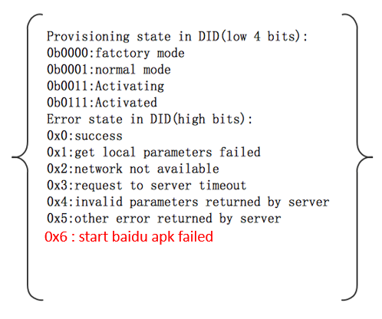
 | low 4 bits | high 4 bits | Comments
0x00 | Supplier Mode | Success | Default Value

0x01 | Normal Mode | Success | DuerOS starts to connect with internet
0x11 | Normal Mode | Get local parameters failed | AHU internal defect
0x21 | Normal Mode | Network not available | Network not available
0x31 | Normal Mode | Request to server timeout | Baidu cloud related incidents occurred
0x41 | Normal Mode | Invalid parameters returned by server | Baidu cloud related incidents occurred
0x51 | Normal Mode | Other error returned by server | Baidu cloud related incidents occurred
0x61 | Normal Mode | Start baidu apk failed | AHU internal defect

0x03 | Activating | Success | DuerOS is provisioning
0x13 | Activating | Get local parameters failed | AHU internal defect
0x23 | Activating | Network not available | Network not available
0x33 | Activating | Request to server timeout | Baidu cloud related incidents occurred
0x43 | Activating | Invalid parameters returned by server | Baidu cloud related incidents occurred
0x53 | Activating | Other error returned by server | Baidu cloud related incidents occurred
0x63 | Activating | Start baidu apk failed | AHU internal defect

0x07 | Activated | Success | DuerOS provisioned successfully
0x17 | Activated | Get local parameters failed | AHU internal defect
0x27 | Activated | Network not available | Network not available
0x37 | Activated | Request to server timeout | Baidu cloud related incidents occurred
0x47 | Activated | Invalid parameters returned by server | Baidu cloud related incidents occurred
0x57 | Activated | Other error returned by server | Baidu cloud related incidents occurred
0x67 | Activated | Start baidu apk failed | AHU internal defect

